Sheet1
 |  | Document No. | Issue No. | Issue Date |  | Review and Replace Date |  | Authorised By
 |  | GFF298MC | 4 | 02.08.2021 |  | 30.03.2023
 |  | Document Title | AUBERGINE MOUSSAKA WITH LENTILS 400G
 |  | Tray & Film Changed |  |  | Page |  | 1 of 1 | Magda Shah
Document amendments reason for change |  |  |  |  | Previous Issue Date |  | 16.11.2021 | Uncontrolled copy unless signed original

FVLMCB1-R8TMC | MINDFUL CHEF |  | AUBERGINE MOUSSAKA WITH LENTILS 400G | FROZEN
STEP 1 |  |  |  |  | STEP 2
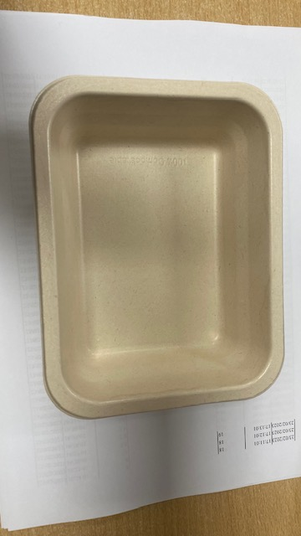 |  |  |  |  | 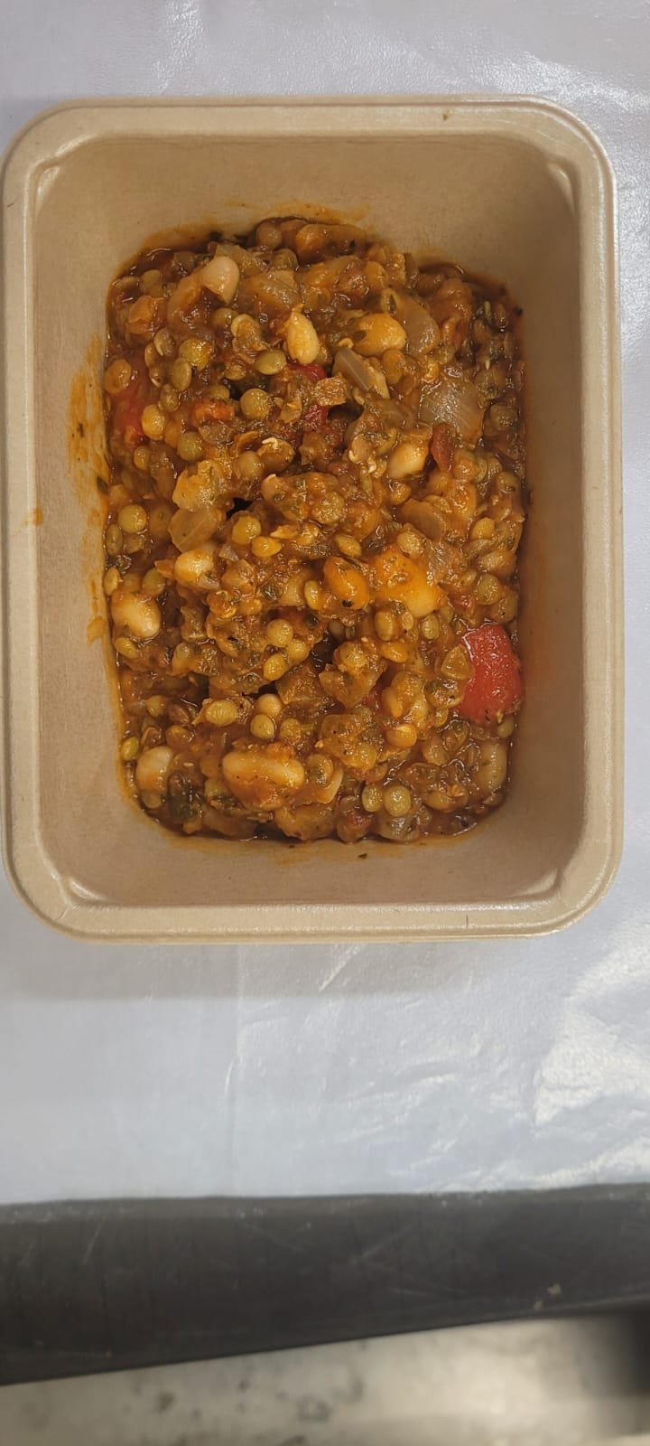

PACK DAY + 1 YEAR
NON-MAP PACK

Tray: Pie Tray-PET Fresh Fibre Food Tray (170 x 126 x 49)-PKHUH001-02 |  |  |  |  | LENTIL MIX (GFF370R): 320g
Film:K peel 7G+25A/f-275mm-(PKKMP001-03)
STEP 3 |  |  |  |  | STEP 4
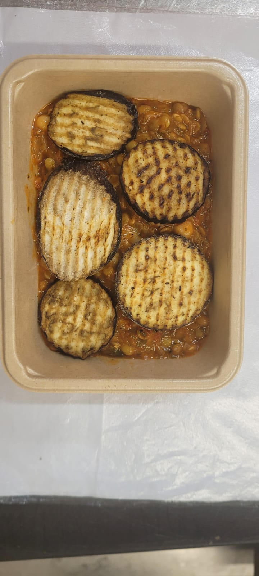

Roasted Aubergine Roundels (RMBOW001-04): 40g |  |  |  |  | Coconut Bechamel (MC) (GFF371R) 40g |  |  | TOTAL WEIGHT: 400g

ALLERGY ALERT: none

